1.ITAA_RITA_Inventory_c
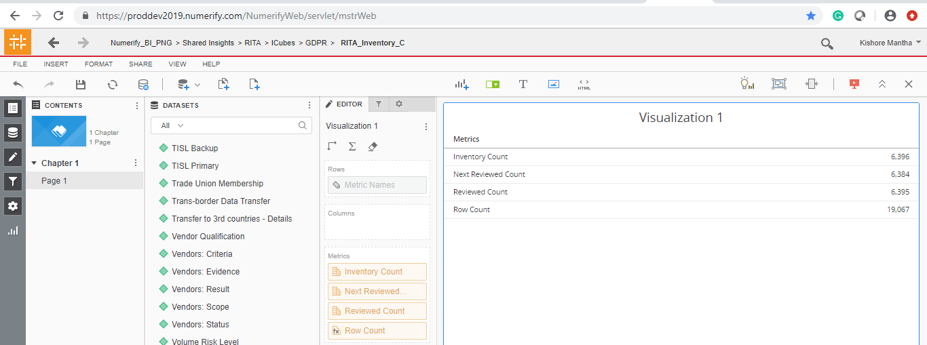
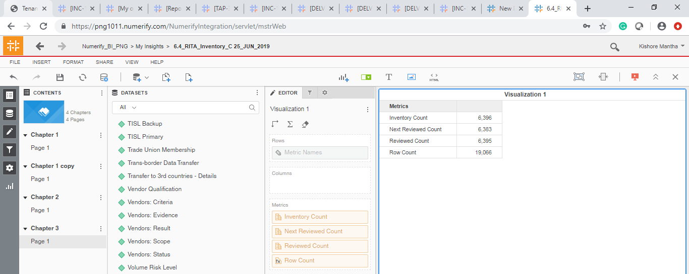
S No | Attribute | Prod Dev | Prod
1 | # of Data Stakeholders from EU | Completed and working fine
2 | Additional Information | Completed and working fine
3 | ADM | Completed and working fine
4 | Adverse Event Information | Completed and working fine
5 | Age Class | Completed and working fine
6 | Asset ID | Completed and working fine
7 | Biometric data | Completed and working fine
8 | Business Contact | Completed and working fine
9 | Business Process / Service | Completed and working fine
10 | Business Process Owner | Completed and working fine
11 | Calendar Date | Completed and working fine
12 | Calendar Month | Completed and working fine
13 | Calendar Year | Completed and working fine
14 | Compliance Prioritization2 | Completed and working fine
15 | Consumer Account Username And Password | Completed and working fine
16 | Contractual Data - LEs | Completed and working fine
17 | Country Collected | Completed and working fine
18 | Credit Card Numbers | Completed and working fine
19 | Criminal or Judicial Records | Completed and working fine
20 | Custom Field #1 | Completed and working fine
21 | Custom Field #10 | Completed and working fine
22 | Custom Field #2 | Completed and working fine
23 | Custom Field #3 | Completed and working fine
24 | Custom Field #4 | Completed and working fine
25 | Custom Field #5 | Completed and working fine
26 | Custom Field #6 | Completed and working fine
27 | Custom Field #7 | Completed and working fine
28 | Custom Field #8 | Completed and working fine
29 | Custom Field #9 | Completed and working fine
30 | Data About Children Under 13 | Completed and working fine
31 | Data About Teens Between 13-15 Years Old | Completed and working fine
32 | Data Breach Response: Criteria | Completed and working fine
33 | Data Breach Response: Evidence | Completed and working fine
34 | Data Breach Response: Result | Completed and working fine
35 | Data Breach Response: Scope | Completed and working fine
36 | Data Breach Response: Status | Completed and working fine
37 | Data From Children | Completed and working fine
38 | Data Retention | Completed and working fine
39 | Data Retention: Criteria | Completed and working fine
40 | Data Retention: Evidence | Completed and working fine
41 | Data Retention: Result | Completed and working fine
42 | Data Retention: Scope | Completed and working fine
43 | Data Retention: Status | Completed and working fine
44 | Data Subject Rights: Criteria | Completed and working fine
45 | Data Subject Rights: Evidence | Completed and working fine
46 | Data Subject Rights: Result | Completed and working fine
47 | Data Subject Rights: Scope | Completed and working fine
48 | Data Subject Rights: Status | Completed and working fine
49 | Data Subject Type - P&G | Completed and working fine
50 | Data Subject Type - P&G - Other | Completed and working fine
51 | Description | Completed and working fine
52 | Digital Signature Data | Completed and working fine
53 | DPIA: Criteria | Completed and working fine
54 | DPIA: Evidence | Completed and working fine
55 | DPIA: Result | Completed and working fine
56 | DPIA: Scope | Completed and working fine
57 | DPIA: Status | Completed and working fine
58 | Electronic Identification Data | Completed and working fine
59 | Family Composition | Completed and working fine
60 | Financial Account Number | Completed and working fine
61 | Genetic Data | Completed and working fine
62 | Government ID, government-issued ID | Completed and working fine
63 | Identification Data | Completed and working fine
64 | Image/Sound Recordings | Completed and working fine
65 | Inventory ID | Completed and working fine
66 | Inventory: Criteria | Completed and working fine
67 | Inventory: Evidence | Completed and working fine
68 | Inventory: Result | Completed and working fine
69 | Inventory: Scope | Completed and working fine
70 | Inventory: Status | Completed and working fine
71 | L0 Managing Organization | Completed and working fine
72 | L1 Managing Organizaion | Completed and working fine
73 | L2 Managing Organization | Completed and working fine
74 | L3 Managing Organization | Completed and working fine
75 | Last Reviewed Date | Completed and working fine
76 | Last Reviewed Date (Internal) | Completed and working fine
77 | Last Reviewed Reviewer | Completed and working fine
78 | Lawfulness Basis: Criteria | Completed and working fine
79 | Lawfulness Basis: Evidence | Completed and working fine
80 | Lawfulness Basis: Result | Completed and working fine
81 | Lawfulness Basis: Scope | Completed and working fine
82 | Lawfulness Basis: Status | Completed and working fine
83 | Managing Organization | Completed and working fine
84 | MEGA Record ID | Completed and working fine
85 | Minimizaiton: Result | Completed and working fine
86 | Minimization: Criteria | Completed and working fine
87 | Minimization: Evidence | Completed and working fine
88 | Minimization: Scope | Completed and working fine
89 | Minimization: Status | Completed and working fine
90 | Month Year Trend | Completed and working fine
91 | Next Reviewed Date | Completed and working fine
92 | Notice: Criteria | Completed and working fine
93 | Notice: Evidence | Completed and working fine
94 | Notice: Result | Completed and working fine
95 | Notice: Scope | Completed and working fine
96 | Notice: Status | Completed and working fine
97 | Other Health Or Medical Data | Completed and working fine
98 | Owning Organization | Completed and working fine
99 | P&G Sites / Departments | Completed and working fine
100 | Personal Characteristics | Completed and working fine
101 | PG Users | Completed and working fine
102 | PII Data Type Final - SP formula | Completed and working fine
103 | PII Handled | Completed and working fine
104 | Political opinions, political party affiliation | Completed and working fine
105 | Precise Geo Location Data | Completed and working fine
106 | Processing Activity | Completed and working fine
107 | Processing Activity - Repository Sub-Type | Completed and working fine
108 | Processing Activity - Repository Type | Completed and working fine
109 | Processing Activity Life Cycle Status | Completed and working fine
110 | Processing Activity Linked to P&G System | Completed and working fine
111 | Profession | Completed and working fine
112 | Protected Health Information (“PHI”) as defined by HIPAA | Completed and working fine
113 | Purchasing Contact | Completed and working fine
114 | Racial or Ethnic Origin | Completed and working fine
115 | Reason For Collection | Completed and working fine
116 | Reasonable InfoSec: Criteria | Completed and working fine
117 | Reasonable InfoSec: Evidence | Completed and working fine
118 | Reasonable InfoSec: Result | Completed and working fine
119 | Reasonable InfoSec: Scope | Completed and working fine
120 | Reasonable InfoSec: Status | Completed and working fine
121 | Recipients of the Data | Completed and working fine
122 | Related IT Asset ID | Completed and working fine
123 | Religious Or Philosophical Beliefs | Completed and working fine
124 | Remediation Icontract | Completed and working fine
125 | Remediation Required | Completed and working fine
126 | Remediation TPRM | Completed and working fine
127 | Remediation: GUV Number | Completed and working fine
128 | Retired Date | Completed and working fine
129 | RoPA linked to IT Asset | Completed and working fine
130 | SAP Vendor Name | Completed and working fine
131 | SAP Vendor Number | Completed and working fine
132 | Scope Number | Completed and working fine
133 | Sex Life, Sexual Orientation Questions | Completed and working fine
134 | Source Type | Completed and working fine
135 | SPO Record Id | Completed and working fine
136 | Third-Party Contact | Completed and working fine
137 | Third-Party Users | Completed and working fine
138 | TISL Backup | Completed and working fine
139 | TISL Primary | Completed and working fine
140 | Trade Union Membership | Completed and working fine
141 | Trans-border Data Transfer | Completed and working fine
142 | Transfer to 3rd countries - Details | Completed and working fine
143 | Vendor Qualification | Completed and working fine
144 | Vendors: Criteria | Completed and working fine
145 | Vendors: Evidence | Completed and working fine
146 | Vendors: Result | Completed and working fine
147 | Vendors: Scope | Completed and working fine
148 | Vendors: Status | Completed and working fine
149 | Volume Risk Level | Completed and working fine
150 | Volumes of Records - All Countries | Completed and working fine
151 | Workstream | Completed and working fine
152 | XLS Template ID | Completed and working fine

S No | Metrics | Prod dev | PROD
1 | Inventory Count
2 | Next Reviewed Count
3 | Reviewed Count

3.RITA Application_C
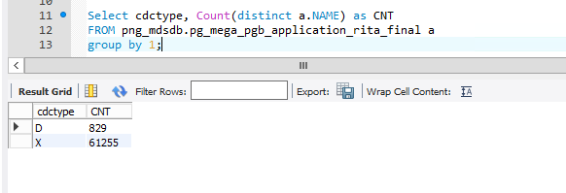
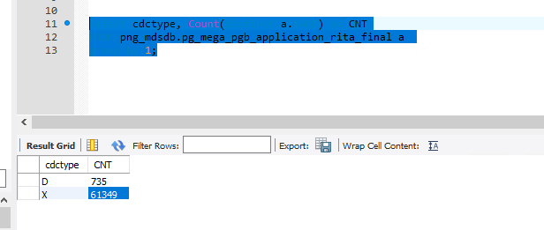
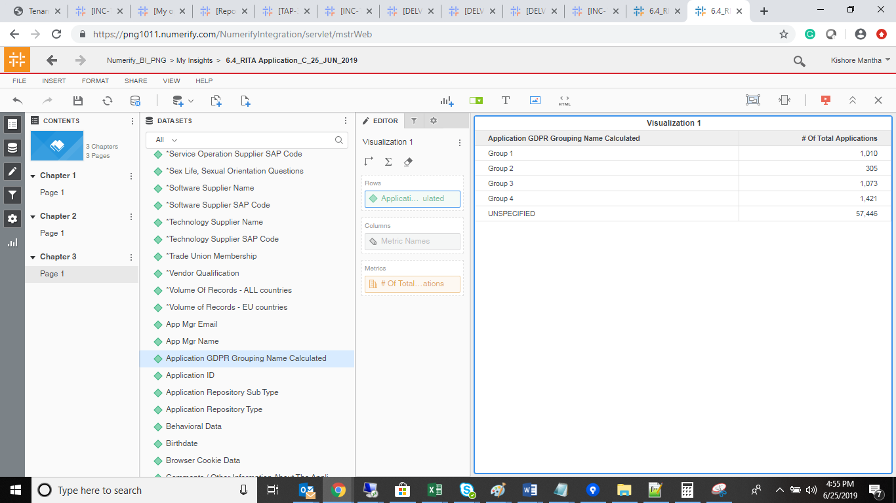
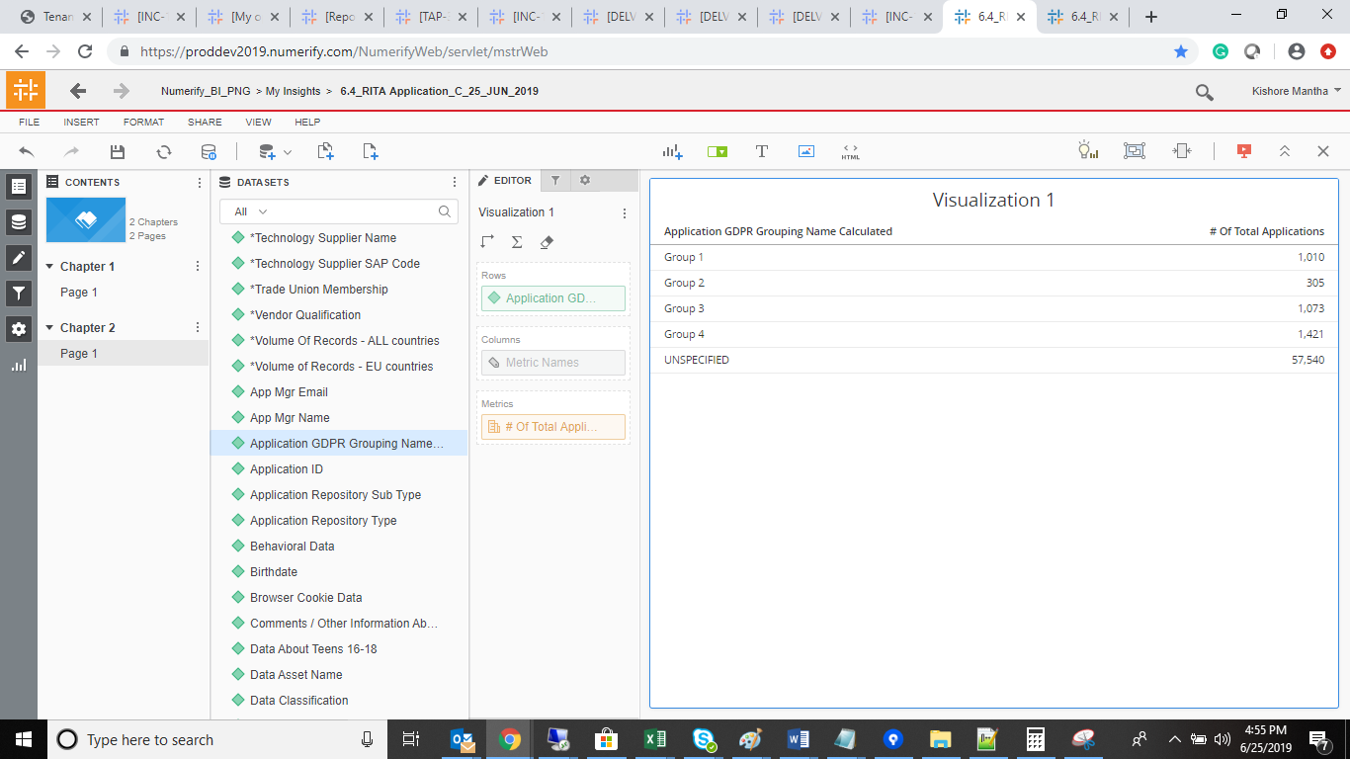
S No | Attribute | Prod Dev | Prod
1 | *# of 3rd Party Resources With Access | Completed and working fine
2 | *# of P&G Users With Access | Completed and working fine
3 | *Adverse Medical Event Information | Completed and working fine
4 | *Application Description | Completed and working fine
5 | *Application Lifecycle Status | Completed and working fine
6 | *Application Nature | Completed and working fine
7 | *Application Nature (Internal) | Completed and working fine
8 | *Automated Decision Making | Completed and working fine
9 | *Biometric Data | Completed and working fine
10 | *Consumer Account Username And Password | Completed and working fine
11 | *Credit Card Numbers | Completed and working fine
12 | *Criminal Or Judicial Records | Completed and working fine
13 | *Data About Children Under 13 | Completed and working fine
14 | *Data About Teens Between 13-15 Years Old | Completed and working fine
15 | *Data Category | Completed and working fine
16 | *Data Retention Period In Days | Completed and working fine
17 | *Digital Signature Data | Completed and working fine
18 | *Electronic Identification Data | Completed and working fine
19 | *Family Composition | Completed and working fine
20 | *Financial Account Number | Completed and working fine
21 | *Genetic Data | Completed and working fine
22 | *Government ID ,Government-issued ID | Completed and working fine
23 | *Identification Data | Completed and working fine
24 | *Image/Sound Recordings | Completed and working fine
25 | *Implementation Supplier Name | Completed and working fine
26 | *Implementation Supplier SAP Code | Completed and working fine
27 | *In Which Country Are You Collecting PII? | Completed and working fine
28 | *Is The PII Data Accessed, Processed, Viewed Outside Of The EU? | Completed and working fine
29 | *L3 Business Processes | Completed and working fine
30 | *LE(s) receiving the services? | Completed and working fine
31 | *Other Health Or Medical Data | Completed and working fine
32 | *Other Supplier Name | Completed and working fine
33 | *Other Supplier SAP Code | Completed and working fine
34 | *Owning Org Level 1 Leader | Completed and working fine
35 | *Owning Organization | Completed and working fine
36 | *P&G Asset Owner | Completed and working fine
37 | *Personal Characteristics | Completed and working fine
38 | *PII Data Handled For Specific Business Process | Completed and working fine
39 | *Political Opinions, Political Party Affiliation | Completed and working fine
40 | *Precise Geo Location Data | Completed and working fine
41 | *Privacy Risk | Completed and working fine
42 | *Profession | Completed and working fine
43 | *Protected Health Information as Defined By HIPAA | Completed and working fine
44 | *Racial Or Ethnic Origin | Completed and working fine
45 | *Reason For Data Collection | Completed and working fine
46 | *SAP Vendor(s) Name | Completed and working fine
47 | *SAP Vendor(s) Number | Completed and working fine
48 | *Service Operation Supplier Name | Completed and working fine
49 | *Service Operation Supplier SAP Code | Completed and working fine
50 | *Sex Life, Sexual Orientation Questions | Completed and working fine
51 | *Software Supplier Name | Completed and working fine
52 | *Software Supplier SAP Code | Completed and working fine
53 | *Technology Supplier Name | Completed and working fine
54 | *Technology Supplier SAP Code | Completed and working fine
55 | *Trade Union Membership | Completed and working fine
56 | *Vendor Qualification | Completed and working fine
57 | *Volume Of Records - ALL countries | Completed and working fine
58 | *Volume of Records - EU countries | Completed and working fine
59 | App Mgr Email | Completed and working fine
60 | App Mgr Name | Completed and working fine
61 | Application GDPR Grouping Name Calculated | Completed and working fine
62 | Application ID | Completed and working fine
63 | Application Repository Sub Type | Completed and working fine
64 | Application Repository Type | Completed and working fine
65 | Behavioral Data | Completed and working fine
66 | Birthdate | Completed and working fine
67 | Browser Cookie Data | Completed and working fine
68 | Comments / Other Information About The Application | Completed and working fine
69 | Data About Teens 16-18 | Completed and working fine
70 | Data Asset Name | Completed and working fine
71 | Data Classification | Completed and working fine
72 | Data Elements Combined Flag | Completed and working fine
73 | Data Subject Rights Result | Completed and working fine
74 | DataRetentionDefImplemented | Completed and working fine
75 | DataRetentionEvidence | Completed and working fine
76 | DataRetentionStatus | Completed and working fine
77 | DataSubjRightsCentralTeam | Completed and working fine
78 | DataSubjRightsEvidence | Completed and working fine
79 | DPIA: Result | Completed and working fine
80 | DPIA: Status | Completed and working fine
81 | DpiaDonebyLegal | Completed and working fine
82 | DpiaEvidence | Completed and working fine
83 | Ease Hyperlink | Completed and working fine
84 | Email address | Completed and working fine
85 | Employee Account Username and Password | Completed and working fine
86 | Employee Band Level | Completed and working fine
87 | Employee T# | Completed and working fine
88 | Employee Work Location | Completed and working fine
89 | Gap and NoGap Applications | Completed and working fine
90 | GDPR Flagoverrode Flag | Completed and working fine
91 | GDPR Grouping | Completed and working fine
92 | GDPR Grouping Overrode Flag | Completed and working fine
93 | GDPR Relevant Flag | Completed and working fine
94 | GDPR Relevant Flag Calculated | Completed and working fine
95 | GDPR Sensitivity | Completed and working fine
96 | Gender | Completed and working fine
97 | Geographic Data, Imprecise (not within 3.2187KM) | Completed and working fine
98 | Grace Period | Completed and working fine
99 | Grace Period Flag | Completed and working fine
100 | Grace Period Start Date | Completed and working fine
101 | Hosting Type | Completed and working fine
102 | Information Which Contans Pseudonymized Data | Completed and working fine
103 | InfoSec Classification | Completed and working fine
104 | InventoryEvidence | Completed and working fine
105 | InventoryKeptUptoDate | Completed and working fine
106 | InventoryResult | Completed and working fine
107 | InventoryStatus | Completed and working fine
108 | IP Address | Completed and working fine
109 | IRisk Last Performed | Completed and working fine
110 | L0 Owning Organization | Completed and working fine
111 | L1 Owning Organization | Completed and working fine
112 | L2 Owning Organization | Completed and working fine
113 | L2 Owning Organization Leader (Dir) | Completed and working fine
114 | L3 Owning Organizaiton | Completed and working fine
115 | L3 Owning Organization Leader (AD) | Completed and working fine
116 | Last Reviewed Date | Completed and working fine
117 | Lawful BasisResult | Completed and working fine
118 | Lawful BasisStatus | Completed and working fine
119 | LawfulnessBasisEvidence | Completed and working fine
120 | LawfulnessBasisProcessing | Completed and working fine
121 | Mac Address | Completed and working fine
122 | Marital Status | Completed and working fine
123 | Mega Creation Date | Completed and working fine
124 | Mega ID | Completed and working fine
125 | Mega Update Date | Completed and working fine
126 | Minimization | Completed and working fine
127 | MinimizationEvidence | Completed and working fine
128 | Mobile device Ids | Completed and working fine
129 | Mobile Phone Number | Completed and working fine
130 | Name | Completed and working fine
131 | NoticeEvidence | Completed and working fine
132 | NoticeProcessing | Completed and working fine
133 | NoticesResult | Completed and working fine
134 | NoticesStatus | Completed and working fine
135 | Other (e.g. customer) Account Username and Password | Completed and working fine
136 | Other demographic and behavioral data gathered online | Completed and working fine
137 | PG CSA Last Performed | Completed and working fine
138 | Phone Numbers (not Mobile) | Completed and working fine
139 | PII for authentication/ authorization only | Completed and working fine
140 | Postal address | Completed and working fine
141 | Project Team GDPR Relevant Overwritten Flag | Completed and working fine
142 | Reasonable InfoSec: Result | Completed and working fine
143 | Reasonable InfoSec: Status | Completed and working fine
144 | ReasonInfosecUctrl | Completed and working fine
145 | ReasonInfosecUctrlEvidence | Completed and working fine
146 | Retired Date(Decommission) | Completed and working fine
147 | Salary amount or level | Completed and working fine
148 | Salary or benefits data | Completed and working fine
149 | Scope Doc Name | Completed and working fine
150 | Snow ID | Completed and working fine
151 | Source Type | Completed and working fine
152 | Vendor Manager | Completed and working fine
153 | VendorsEvidence | Completed and working fine
154 | VendorsPrivacyInfosecUpdated | Completed and working fine
155 | VendorsResult | Completed and working fine
156 | VendorsStatus | Completed and working fine
157 | Zip codes | Completed and working fine

S No | Metrics | Prod dev | PROD
1 | # GDPR 1 Total Application | Completed and Working fine
2 | # GDPR 2 Total Application | Completed and Working fine
3 | # GDPR 3 Total Application | Completed and Working fine
4 | # GDPR 4 Total Application | Completed and Working fine
5 | # GDPR Ungrouped Application | Completed and Working fine
6 | # Inventory Gaps | Completed and Working fine
7 | # Of Complete Applications | Completed and Working fine
8 | # Of Total Applications | Completed and Working fine
9 | % Data Field Completeness | Completed and Working fine
10 | % Inventory Gaps | Completed and Working fine
11 | % Total Application Org Level 1 | Completed and Working fine
12 | Row Count | Completed and Working fine
13 | Total Application Org Level 1 | Completed and Working fine

 | PROD Dev |  | PROD
 | # GDPR 1 Total Application | 1,015 | # GDPR 1 Total Application | 1,015
 | # GDPR 2 Total Application | 307 | # GDPR 2 Total Application | 307
 | # GDPR 3 Total Application | 1,058 | # GDPR 3 Total Application | 1,058
 | # GDPR 4 Total Application | 1,430 | # GDPR 4 Total Application | 1,430
 | # GDPR Ungrouped Application | 57,539 | # GDPR Ungrouped Application | 57,445
 | # Inventory Gaps | 60,470 | # Inventory Gaps | 60,375
 | # Of Complete Applications | 879 | # Of Complete Applications | 880
 | # Of Total Applications | 61,349 | # Of Total Applications | 61,255
 | % Data Field Completeness | 12.45% | % Data Field Completeness | 12.46%
 | % Inventory Gaps | 98.57% | % Inventory Gaps | 98.56%
 | % Total Application Org Level 1 | 100.00% | % Total Application Org Level 1 | 100.00%
 | Row Count | 61,349 | Row Count | 61,255
 | Total Application Org Level 1 | 61,349 | Total Application Org Level 1 | 61,255

 | Select cdctype, Count(distinct a.NAME) as CNT FROM png_mdsdb.pg_mega_pgb_application_rita_final a group by 1; |  | Select cdctype, Count(distinct a.NAME) as CNT FROM png_mdsdb.pg_mega_pgb_application_rita_final a group by 1;

4.RITA_Application_Governance_C
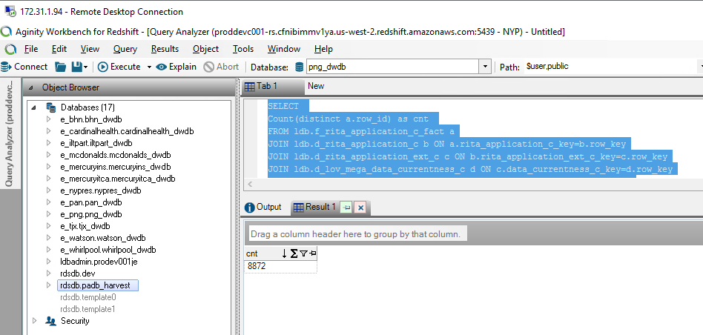
S No | Attribute | Prod Dev | Prod
1 | Always On CBP | Completed and Working fine
2 | App Owner Employee Type | Completed and Working fine
3 | App Owner Validity (y/n) | Completed and Working fine
4 | Application Description | Completed and Working fine
5 | Application ID | Completed and Working fine
6 | Application Name | Completed and Working fine
7 | Application Owner Email Address | Completed and Working fine
8 | Application Owner Full Name | Completed and Working fine
9 | Application/Technology Nature | Completed and Working fine
10 | BIA Rating for Availability | Completed and Working fine
11 | BIA Rating for Confidentiality | Completed and Working fine
12 | BIA Rating for Integrity | Completed and Working fine
13 | Business Process | Completed and Working fine
14 | Commissioning Memo Date Approved | Completed and Working fine
15 | Commissioning Memo Document Link | Completed and Working fine
16 | CREATIONDATE | Completed and Working fine
17 | CREATOR | Completed and Working fine
18 | Critical Apps | Completed and Working fine
19 | Data Privacy | Completed and Working fine
20 | Data Classification | Completed and Working fine
21 | Data Correctness | Completed and Working fine
22 | Data Currentness | Completed and Working fine
23 | Data Privacy | Completed and Working fine
24 | Data Retention Period (Actual policy which is in place) | Completed and Working fine
25 | Database | Completed and Working fine
26 | EA Data Compliance | Completed and Working fine
27 | EA Missing Data | Completed and Working fine
28 | Hex Ext ID (Internal) | Completed and Working fine
29 | Hex ID (Internal) | Completed and Working fine
30 | Hosting | Completed and Working fine
31 | Implementation Supplier | Completed and Working fine
32 | Instance | Completed and Working fine
33 | iRisk Data Compliance | Completed and Working fine
34 | iRisk Date | Completed and Working fine
35 | Keyword-Subject Area | Completed and Working fine
36 | L0 Owning Organization | Completed and Working fine
37 | Last Reviewed Date | Completed and Working fine
38 | Lead Solution Architect | Completed and Working fine
39 | License | Completed and Working fine
40 | Life Cycle Status | Completed and Working fine
41 | Link to EASE | Completed and Working fine
42 | Owning Organization | Completed and Working fine
43 | Owning Organization Level 1 | Completed and Working fine
44 | Owning Organization Level 1 Leader | Completed and Working fine
45 | Owning Organization Level 2 | Completed and Working fine
46 | Owning Organization Level 2 Leader | Completed and Working fine
47 | Owning Organization Level 3 | Completed and Working fine
48 | Owning Organization Level 3 Leader | Completed and Working fine
49 | P&G Application Owner | Completed and Working fine
50 | RAMP Date | Completed and Working fine
51 | RAMP Location | Completed and Working fine
52 | Registration Data Compliance | Completed and Working fine
53 | Registration Missing Data | Completed and Working fine
54 | Registration Overall Compliance | Completed and Working fine
55 | Regulated System | Completed and Working fine
56 | Release | Completed and Working fine
57 | Server | Completed and Working fine
58 | Service Operations Supplier | Completed and Working fine
59 | Site Name | Completed and Working fine
60 | Snow ID | Completed and Working fine
61 | Sox Classification | Completed and Working fine
62 | Standard | Completed and Working fine
63 | Technology Supplier | Completed and Working fine
64 | Validation Data Compliance | Completed and Working fine
65 | Validation Missing Data | Completed and Working fine
66 | Vendor Software Supplier | Completed and Working fine

S No | Metrics | Prod dev | PROD
1 | # of Data Correct Applications | Completed and Working fine
2 | # of Data Current Applications | Completed and Working fine
3 | # of Data InCorrect Applications | Completed and Working fine
4 | # of EA Compliant Applications | Completed and Working fine
5 | # of EA Non Compliant Applications | Completed and Working fine
6 | # of IT Risk Assessment Complete Applications | Completed and Working fine
7 | # of IT Risk Assessment InComplete Applications | Completed and Working fine
8 | # of Non Current Applications | Completed and Working fine
9 | # of Registration Complete Applications | Completed and Working fine
10 | # of Registration Compliant Applications | Completed and Working fine
11 | # of Registration InComplete Applications | Completed and Working fine
12 | # of Registration Non Compliant Applications | Completed and Working fine
13 | # of Validation Compliant Applications | Completed and Working fine
14 | # of Validation Non Compliant Applications | Completed and Working fine
15 | % Data Complete | Completed and Working fine
16 | % Data Correct | Completed and Working fine
17 | % Data Current | Completed and Working fine
18 | % EA Compliance | Completed and Working fine
19 | % IT Risk Assessment | Completed and Working fine
20 | % Legal Validation Compliance | Completed and Working fine
21 | % of EA Compliance Apps | Completed and Working fine
22 | % of Registration Compliant Apps | Completed and Working fine
23 | % of Registration Data Complete Apps | Completed and Working fine
24 | % of Registration Data Correct Apps | Completed and Working fine
25 | % of Registration Data Current Apps | Completed and Working fine
26 | % of Validation Compliance Apps | Completed and Working fine
27 | % Registration Compliance | Completed and Working fine
28 | % Risk Completeness | Completed and Working fine
29 | Data Correct | Completed and Working fine
30 | Data Current | Completed and Working fine
31 | Row Count | Completed and Working fine
32 | Total # of Apps | Completed and Working fine

 | Prod Dev |  | PROD instance
 | # of Data Correct Applications | 7,135 | # of Data Correct Applications | 7,029
 | # of Data Current Applications | 4,826 | # of Data Current Applications | 4,866
 | # of Data InCorrect Applications | 1,737 | # of Data InCorrect Applications | 1,749
 | # of EA Compliant Applications | 730 | # of EA Compliant Applications | 729
 | # of EA Non Compliant Applications | 8,142 | # of EA Non Compliant Applications | 8,049
 | # of IT Risk Assessment Complete Applications | 1,010 | # of IT Risk Assessment Complete Applications | 1,007
 | # of IT Risk Assessment InComplete Applications | 7,862 | # of IT Risk Assessment InComplete Applications | 7,771
 | # of Non Current Applications | 4,046 | # of Non Current Applications | 3,912
 | # of Registration Complete Applications | 4,207 | # of Registration Complete Applications | 4,218
 | # of Registration Compliant Applications | 3,478 | # of Registration Compliant Applications | 3,485
 | # of Registration InComplete Applications | 4,665 | # of Registration InComplete Applications | 4,560
 | # of Registration Non Compliant Applications | 5,394 | # of Registration Non Compliant Applications | 5,293
 | # of Validation Compliant Applications | 14 | # of Validation Compliant Applications | 14
 | # of Validation Non Compliant Applications | 8,858 | # of Validation Non Compliant Applications | 8,764
 | % Data Complete | 89.51 | % Data Complete | 89.68
 | % Data Correct | 80.42 | % Data Correct | 80.08
 | % Data Current | 54.40 | % Data Current | 55.43
 | % EA Compliance | 21.56 | % EA Compliance | 21.43
 | % IT Risk Assessment | 11.38 | % IT Risk Assessment | 11.47
 | % Legal Validation Compliance | 0.80 | % Legal Validation Compliance | 0.81
 | % of EA Compliance Apps | 8.23 | % of EA Compliance Apps | 8.30
 | % of Registration Compliant Apps | 39.20 | % of Registration Compliant Apps | 39.70
 | % of Registration Data Complete Apps | 47.42 | % of Registration Data Complete Apps | 48.05
 | % of Registration Data Correct Apps | 80.42 | % of Registration Data Correct Apps | 80.08
 | % of Registration Data Current Apps | 54.40 | % of Registration Data Current Apps | 55.43
 | % of Validation Compliance Apps | 0.16 | % of Validation Compliance Apps | 0.16
 | % Registration Compliance | 74.77 | % Registration Compliance | 75.06
 | % Risk Completeness | 11.38 | % Risk Completeness | 11.47
 | Data Correct | 7,135 | Data Correct | 7,029
 | Data Current | 4,826 | Data Current | 4,866
 | Row Count | 8,872 | Row Count | 8,778
 | Total # of Apps | 8,872 | Total # of Apps | 8,778

 | SELECT Count(distinct a.row_id) as cnt FROM ldb.f_rita_application_c_fact a JOIN ldb.d_rita_application_c b ON a.rita_application_c_key=b.row_key JOIN ldb.d_rita_application_ext_c c ON b.rita_application_ext_c_key=c.row_key JOIN ldb.d_lov_mega_data_currentness_c d ON c.data_currentness_c_key=d.row_key JOIN ldb.d_lov_mega_data_correct_c e ON c.data_correct_c_key=e.row_key JOIN ldb.d_processing_activities_managing_organization_c a12 ON a.managing_organization_c_key=a12.row_key JOIN ldb.d_lov_processing_activities_ot_life_cycle_status_c a13 ON b.application_lifecycle_status_c_key=a13.row_key JOIN ldb.d_lov_processing_activities_ot_repository_type_c a14 ON b.application_nature_c_key=a14.row_key Where (a14.cust_dimension_name_c IN ('Application','Application - Externally Owned','Application Platform','Application Platform - Externally Owned') AND a13.source_dimension_name IN ('Design/Build', 'Launch/Deploy', 'Discovery/Requ.','UNSPECIFIED','Leverage/Optimize', 'Qualify/Deliver', 'Retired', 'Sunset','Exception') ) AND a.soft_deleted_flag='N'

7.ITAM_Hardware_Governance_C
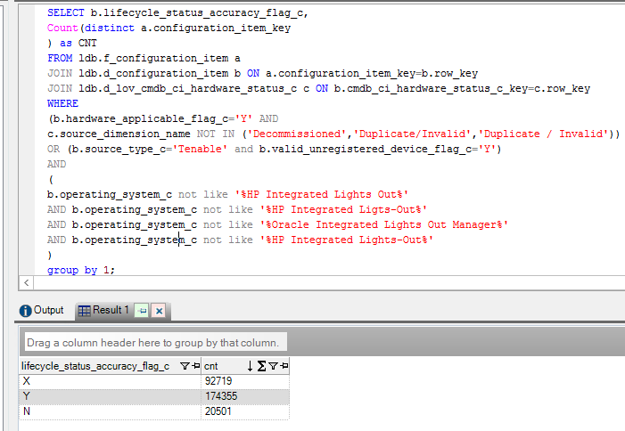
S no | Attribute | Proddev | Prod
1 | Active | Completed and working fine | Completed and working fine
2 | Active Device Flag | Completed and working fine | Completed and working fine
3 | ACWL Status | Completed and working fine | Completed and working fine
4 | Area | Completed and working fine | Completed and working fine
5 | Assignment Group | Completed and working fine | Completed and working fine
6 | Calendar Month | Completed and working fine | Completed and working fine
7 | Configuration Item Class | Completed and working fine | Completed and working fine
8 | Country | Completed and working fine | Completed and working fine
9 | Date | Completed and working fine | Completed and working fine
10 | Department | Completed and working fine | Completed and working fine
11 | Device Name | Completed and working fine | Completed and working fine
12 | Device Owner | Completed and working fine | Completed and working fine
13 | Device Type | Completed and working fine | Completed and working fine
14 | Discovery Source | Completed and working fine | Completed and working fine
15 | DNS Name | Completed and working fine | Completed and working fine
16 | Employee Type | Completed and working fine | Completed and working fine
17 | Hardware Applicable Flag | Completed and working fine | Completed and working fine
18 | Hardware Status | Completed and working fine | Completed and working fine
19 | HR Status ID | Completed and working fine | Completed and working fine
20 | IP Address | Completed and working fine | Completed and working fine
21 | Last Seen | Completed and working fine | Completed and working fine
22 | Lifecycle Status | Completed and working fine | Completed and working fine
23 | Lifecycle status Accuracy Flag | Completed and working fine | Completed and working fine
24 | Lifecycle Status Availability Flag | Completed and working fine | Completed and working fine
25 | MAC Address | Completed and working fine | Completed and working fine
26 | Managed Device Flag | Completed and working fine | Completed and working fine
27 | Organization manager Detail (Internal) | Completed and working fine | Completed and working fine
28 | OS Description | Completed and working fine | Completed and working fine
29 | Owned by Detail (Internal) | Completed and working fine | Completed and working fine
30 | Ownership Accuracy Flag | Completed and working fine | Completed and working fine
31 | PG Asset ID | Completed and working fine | Completed and working fine
32 | Region | Completed and working fine | Completed and working fine
33 | Registered Device Flag | Completed and working fine | Completed and working fine
34 | Security Lead | Completed and working fine | Completed and working fine
35 | Serial Number | Completed and working fine | Completed and working fine
36 | Site Accuracy Flag | Completed and working fine | Completed and working fine
37 | Site Code | Completed and working fine | Completed and working fine
38 | Site Name | Completed and working fine | Completed and working fine
39 | Site Type | Completed and working fine | Completed and working fine
40 | Snow ID | Completed and working fine | Completed and working fine
41 | Source ID | Completed and working fine | Completed and working fine
42 | Tenable Discovery ID | Completed and working fine | Completed and working fine
43 | Unmanaged Device Flag C++ | need to rename | need to rename
44 | Updated Date | Completed and working fine | Completed and working fine
45 | Valid Unregistered Device Flag | Completed and working fine | Completed and working fine
46 | VLAN Description | Completed and working fine | Completed and working fine

 | proddev
 | # Active Devices | # Devices With Ownership Accuracy | # Devices With Site Accuracy | # Lifecycle Status Accuracy | # Lifecycle Status Availability Devices | # Managed Devices | # Non Managed Devices | # Registered Devices | # Total Devices | # Unregistered Devices | # Unregistered Devices on Disposable Watchlist | % Lifecycle Status Accuracy | % Lifecycle Status Availability | % Managed | % Ownership Accuracy | % Registered Devices | % Site Accuracy | % Unregistered Devices | Configuration Item Count | Last Seen (in days) | Last Seen (in seconds)
 | 223,072 | 237,704 | 244,936 | 175,694 | 255,968 | 162,400 | 2,523 | 255,995 | 273,103 | 17,108 | 14,223 | 68.63% | 99.99% | 59.46% | 92.85% | 93.74% | 95.68% | 6.26% | 287,484 | 18,012,891 | 1,556,313,773,000
 | prod
 | # Active Devices | # Devices With Ownership Accuracy | # Devices With Site Accuracy | # Lifecycle Status Accuracy | # Lifecycle Status Availability Devices | # Managed Devices | # Non Managed Devices | # Registered Devices | # Total Devices | # Unregistered Devices | # Unregistered Devices on Disposable Watchlist | % Lifecycle Status Accuracy | % Lifecycle Status Availability | % Managed | % Ownership Accuracy | % Registered Devices | % Site Accuracy | % Unregistered Devices | Configuration Item Count | Last Seen (in days) | Last Seen (in seconds)
 | 223,233 | 237,793 | 244,939 | 174,355 | 256,095 | 162,490 | 2,518 | 256,122 | 273,169 | 17,047 | 14,247 | 68.07% | 99.99% | 59.48% | 92.84% | 93.76% | 95.63% | 6.24% | 287,574 | 18,671,788 | 1,613,242,499,959
 | 161 | 89 | 3 | 1,339 | 127 | 90 | 5 | 127 | 66 | 61 | 24 | 0.56% | 0.00% | 0.02% | 0.01% | 0.02% | 0.05% | 0.02% | 90 | 658,897 | 56,928,726,959

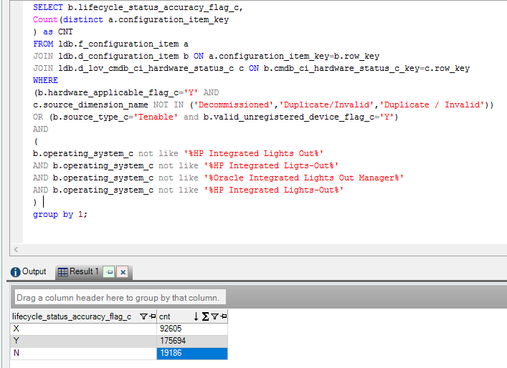
 | proddev: |  |  |  |  |  |  |  | Proddev:
 | SELECT b.lifecycle_status_accuracy_flag_c, Count(distinct a.configuration_item_key ) as CNT FROM ldb.f_configuration_item a JOIN ldb.d_configuration_item b ON a.configuration_item_key=b.row_key JOIN ldb.d_lov_cmdb_ci_hardware_status_c c ON b.cmdb_ci_hardware_status_c_key=c.row_key WHERE (b.hardware_applicable_flag_c='Y' AND c.source_dimension_name NOT IN ('Decommissioned','Duplicate/Invalid','Duplicate / Invalid')) OR (b.source_type_c='Tenable' and b.valid_unregistered_device_flag_c='Y') AND ( b.operating_system_c not like '%HP Integrated Lights Out%' AND b.operating_system_c not like '%HP Integrated Ligts-Out%' AND b.operating_system_c not like '%Oracle Integrated Lights Out Manager%' AND b.operating_system_c not like '%HP Integrated Lights-Out%' ) group by 1;

 | Observations for metrics:
 | ># Lifecycle Status Accuracy has huge difference between proddev and prod
 | ># Registered Devices has difference between proddev and prod
 | >Configuration Item Count has difference between proddev and prod
 | ># Active Devices has difference between proddev and prod
 | ># Lifecycle Status Availability Devices has diff between proddev and prod

 | Prod:

